Impact Analysis
Phase |  |  |  | MA |  | Project Name |  |  |  |  |  |  |  |  |  |  |  |  |  |  |  |  |  |  |  |  |  |  |  |  |  |  | Page
Block Name |  |  |  |  |  | Common |  |  |  |  |  |  |  |  |  |  | Function Name |  | Change Company name from TDEM to TMA |  |  |  |  |  |  |  |  |  |  | Created |  | 2024-04-22 | By | MA)Chaovapan
Document Name |  |  |  |  |  | Impact Analysis |  |  |  |  |  |  |  |  |  |  | Title |  | Change Company name from TDEM to TMA |  |  |  |  |  |  |  |  |  |  | Updated |  |  | By

Impact Analysis
IS Fill-up
IS Fill-up
Vendor Fill-up
Vendor Fill-up
Legend :
New
Modified
Deleted
BCT Impact
No Impact
 | Project |  |  |  | DOTS IMV |  |  |  |  |  |  |  |  |  |  |  |  |  |  |  | Target Function Overview

 | General Information
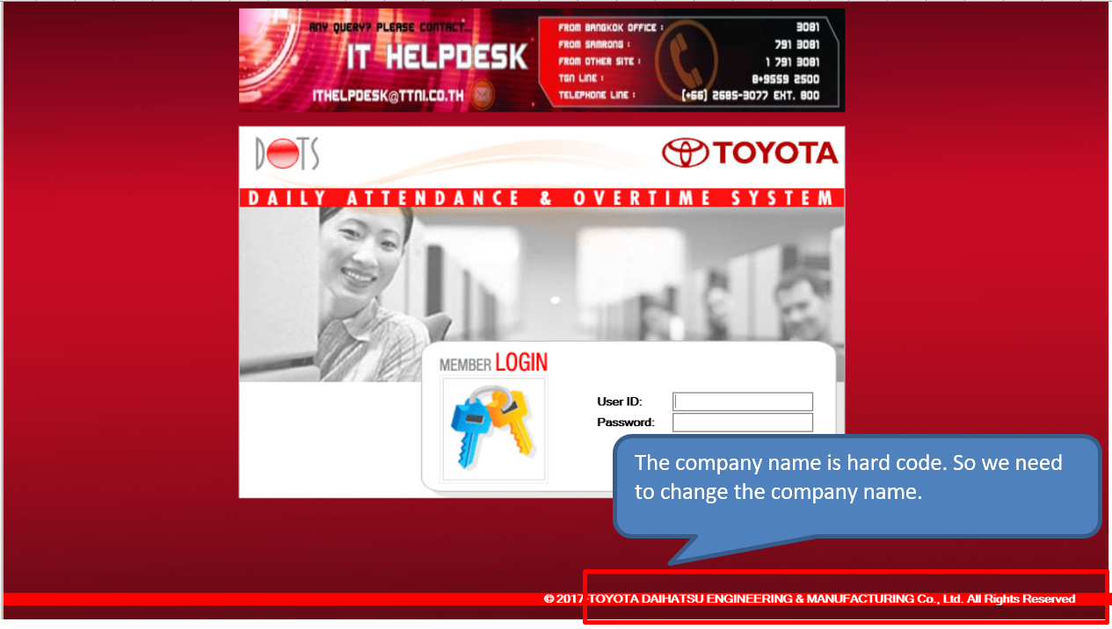
 |  | Incident No : |  |  |  |  |  | Change Company name from TDEM to TMA

 |  | Target Function : |  |  |  |  |  | Change Company name from TDEM to TMA

 |  | Target Date :

 |  | Efforts Estimation (Man-day): |  |  |  |  |  |  |  |  | 0.5 MM (10.44 Man Day)

 | Target Function Description

 |  | Root cause :
 |  |  | The company name is hard code.

 |  | Solution :
 |  |  | If the company name is hard code in the source code so we need to fix the program.
 |  |  | If the company name is hard code in configuration table, we can change them from the screen.

 | Function Impact

 | Function Name |  |  |  |  |  |  |  |  | Impact Type |  |  |  | Impact Description

 | Refer to Function List sheet

 |  |  |  |  |  |  |  |  |  |  |  |  |  |  |  |  |  |  |  |  | Impact to Company |  |  |  |  | TDEM, TMT

 |  |  |  |  |  |  |  |  |  |  |  |  |  |  |  |  |  |  |  |  | Interface File Impact

 |  |  |  |  |  |  |  |  |  |  |  |  |  |  |  |  |  |  |  |  | Interface Name |  | In/Out |  | Field/File Impact |  | Impact Type |  | Other System Name (Impact to) |  | Impact Description

 |  |  |  |  |  |  |  |  |  |  |  |  |  |  |  |  |  |  |  |  | None

 | Database Impact
 |  |  |  |  |  |  |  |  |  |  |  |  |  |  |  |  |  |  |  |  | System Deployment Impact

 | Table Name |  |  |  |  |  | In/Out |  |  | Field/Table Impact |  |  | Impact Type |  | Impact Description
 |  |  |  |  |  |  |  |  |  |  |  |  |  |  |  |  |  |  |  |  | Deployment Impact |  |  |  |  |  |  | Impact Description
 | None |  |  |  |  |  |  |  |  |  |  |  |  |  |  |  |  |  |  |  |  |  |  |  |  |  |  | Impact on Configuration File (Please specify Folder and File)

 |  |  |  |  |  |  |  |  |  |  |  |  |  |  |  |  |  |  |  |  |  |  |  |  |  |  |  | Other Information

 | Remarks :
 |  |  | 1) In "Impact Type" column of Function Impact, there are three types : |  |  |  |  |  |  |  |  |  |  |  |  |  |  |  |  |  |  | 2) In "Impact Type" column of DB&File Impact, there are three types :
 |  |  |  | a) Direct Impact : list surrounding functions that have direct impacts from the change in target function. |  |  |  |  |  |  |  |  |  |  |  |  |  |  |  |  |  |  |  | a) New : Table/File or Field
 |  |  |  | b) Need Similar Change : list all functions that needs similar changes as the change in target function. |  |  |  |  |  |  |  |  |  |  |  |  |  |  |  |  |  |  |  | b) Delete : Table/File or Field
 |  |  |  | c) BCT Testing : no change but need BCT Testing. |  |  |  |  |  |  |  |  |  |  |  |  |  |  |  |  |  |  |  | c) Change -- Field

 |  |  |  |  |  | In/Out |  |  | Field/Table |  |  | Impact Type (DB) |  |  |  | Field/File |  | Deployment Type |  | Impact Type (Function)
 |  |  |  |  |  | Input |  |  | Field |  |  | New |  |  |  | Field |  | Reboot |  | Direct Impact
 |  |  |  |  |  | Output |  |  | Table |  |  | Delete |  |  |  | File |  | Restart Instance |  | Need Similar Change
 |  |  |  |  |  |  |  |  |  |  |  | Change |  |  |  |  |  | No Special Concern |  | BCT Testing

ChangeDescription
Change Description

 | 1 | login.jsp

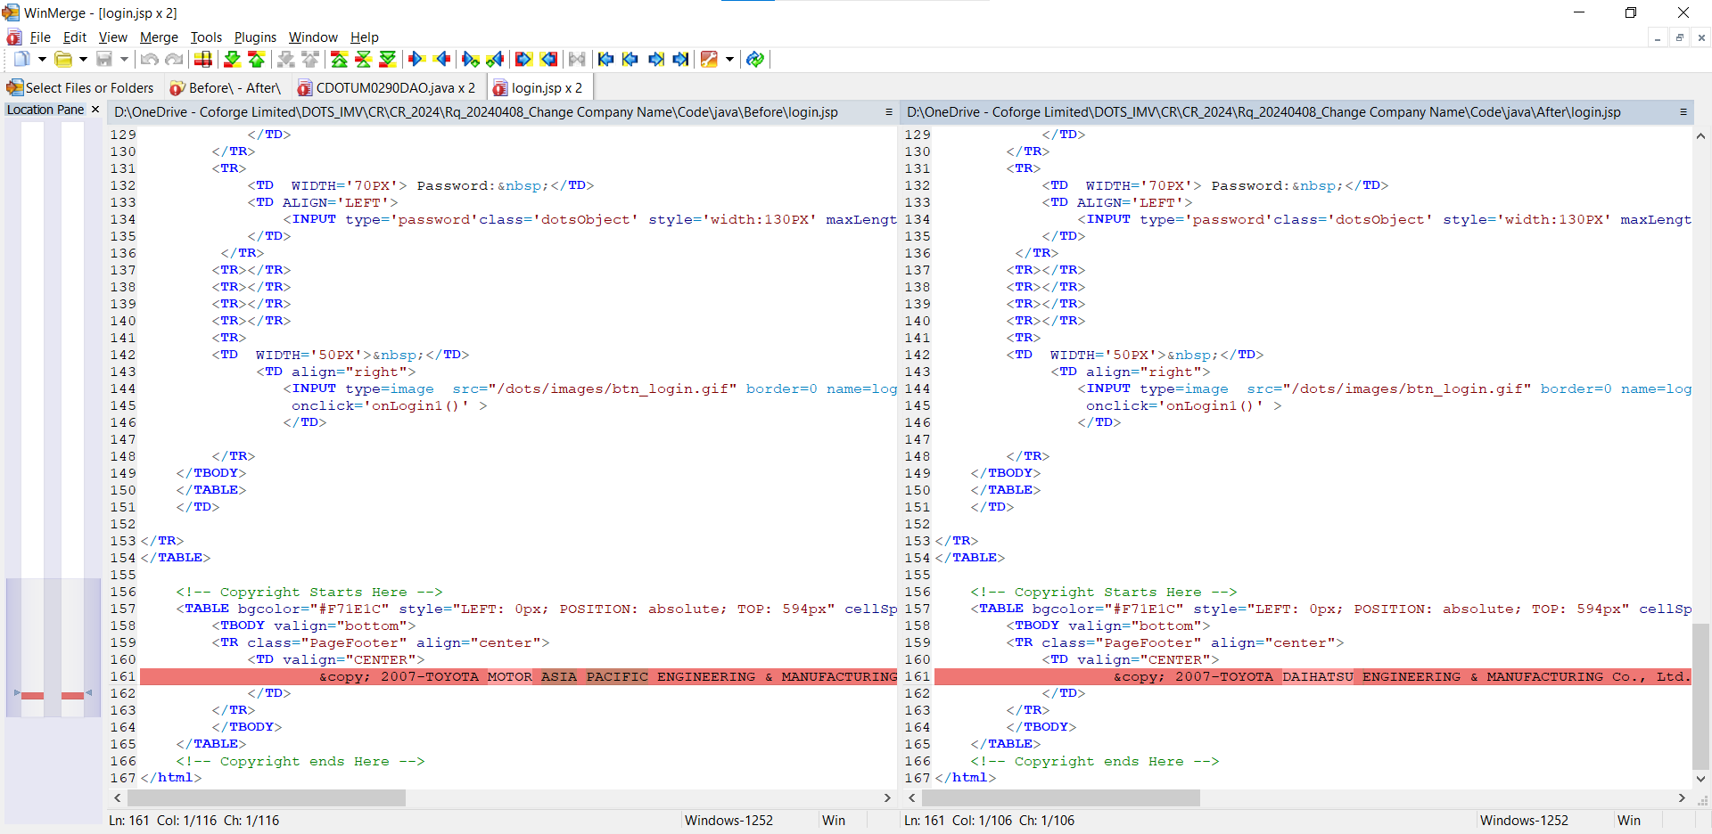

The company name is hard code. So we need to change the company name.

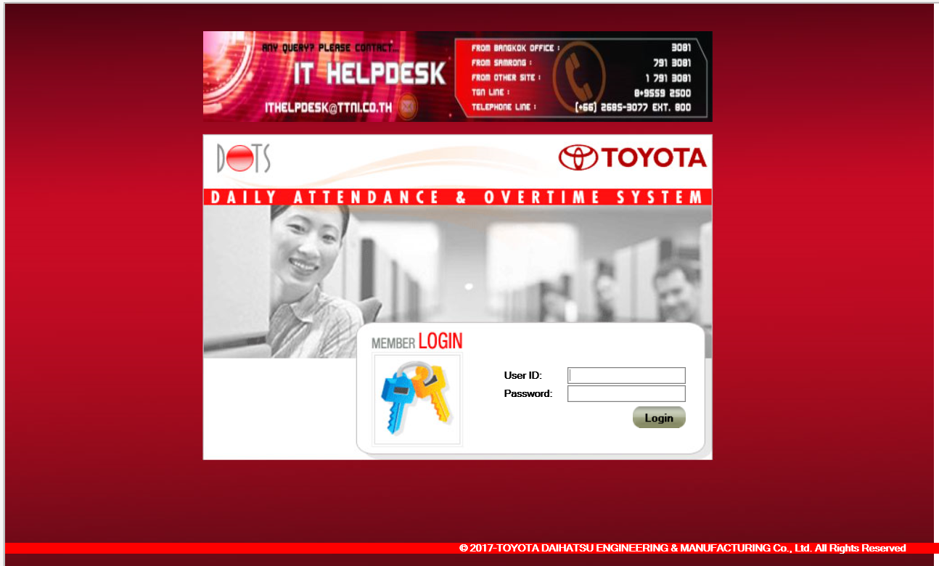

The company name is hard code. So we need to change the company name.

 | 2 | footer.jsp

The company name is hard code. So we need to change the company name.

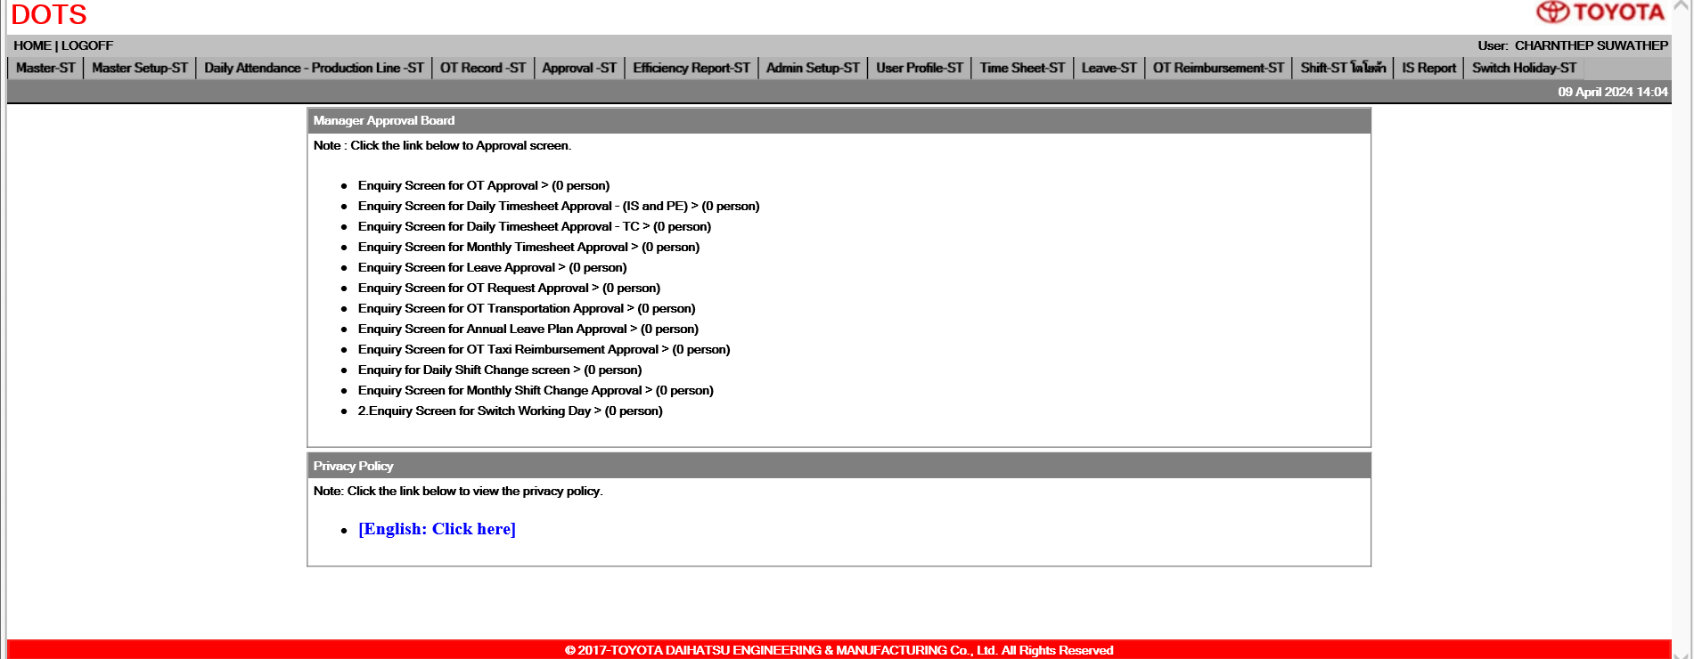

The company name is hard code. So we need to change the company name.

 | 3 | WDOTUM0270 : Enquiry Screen for Section Mapping

The company name is hard code. So we need to change the company name.

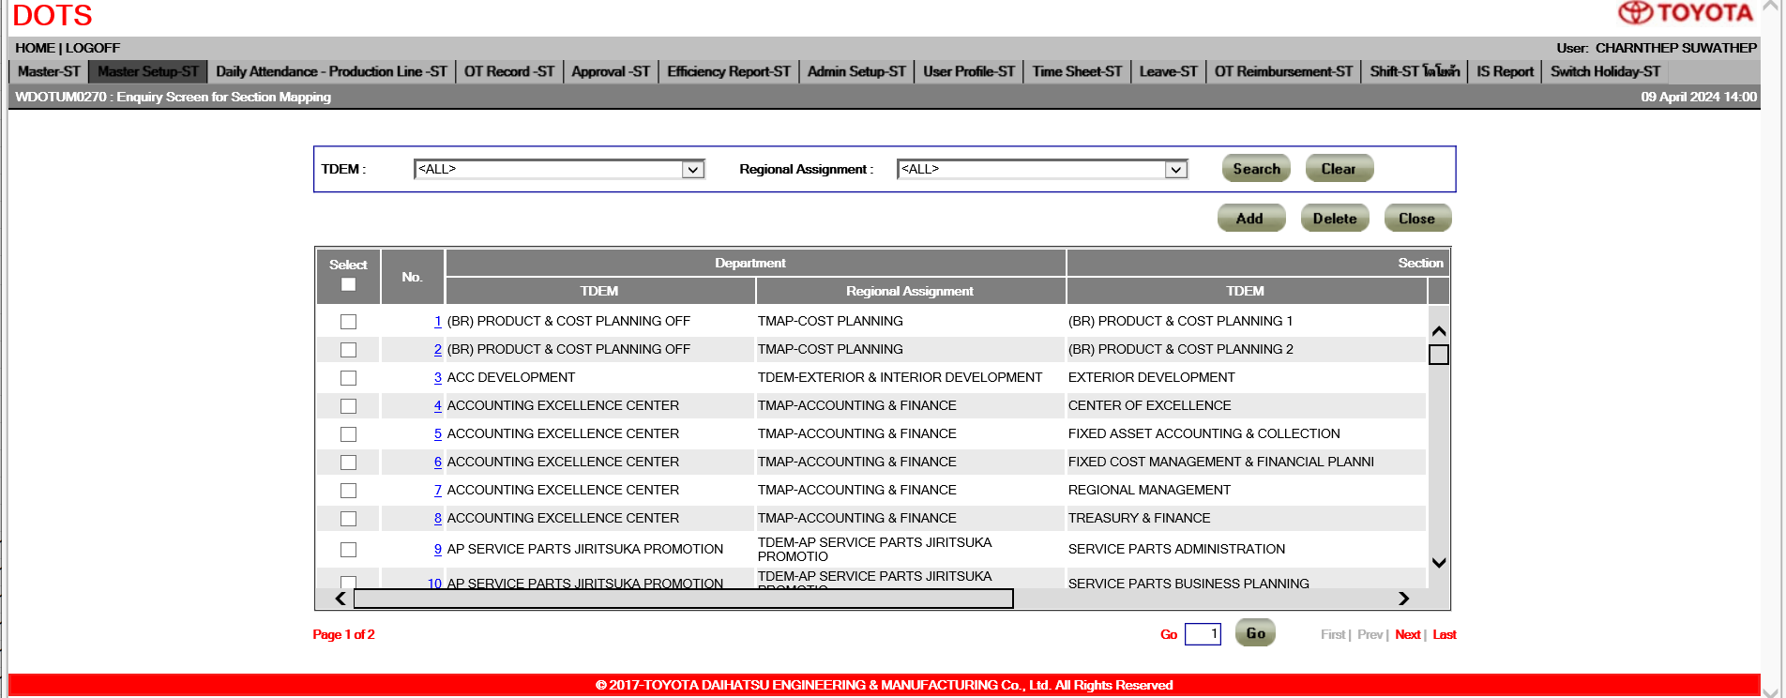

 | 4 | WDOTUM0271 : Add/Modify Section Mapping

The company name is hard code. So we need to change the company name.

 | 5 | ApplicationResources.properties

The company name is hard code. So we need to change the company name.

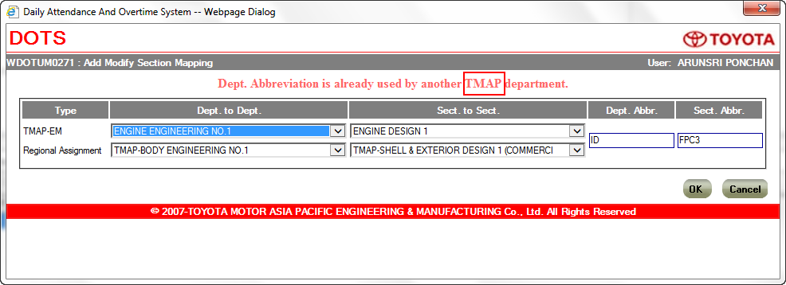

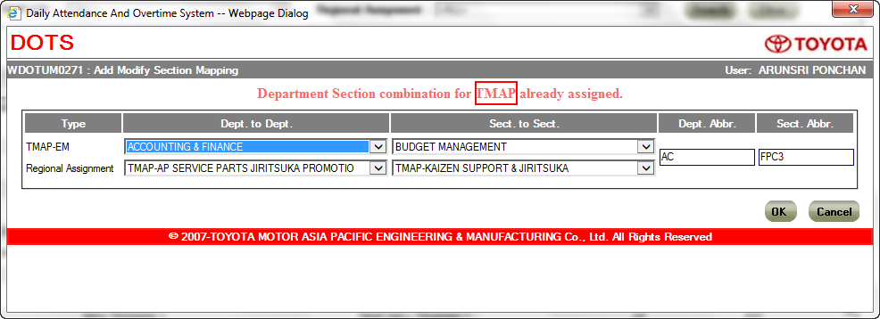

The company name is hard code. So we need to change the company name.

 | 6 | WDOTCS0021 : Show Detail of Monthly Changed shift
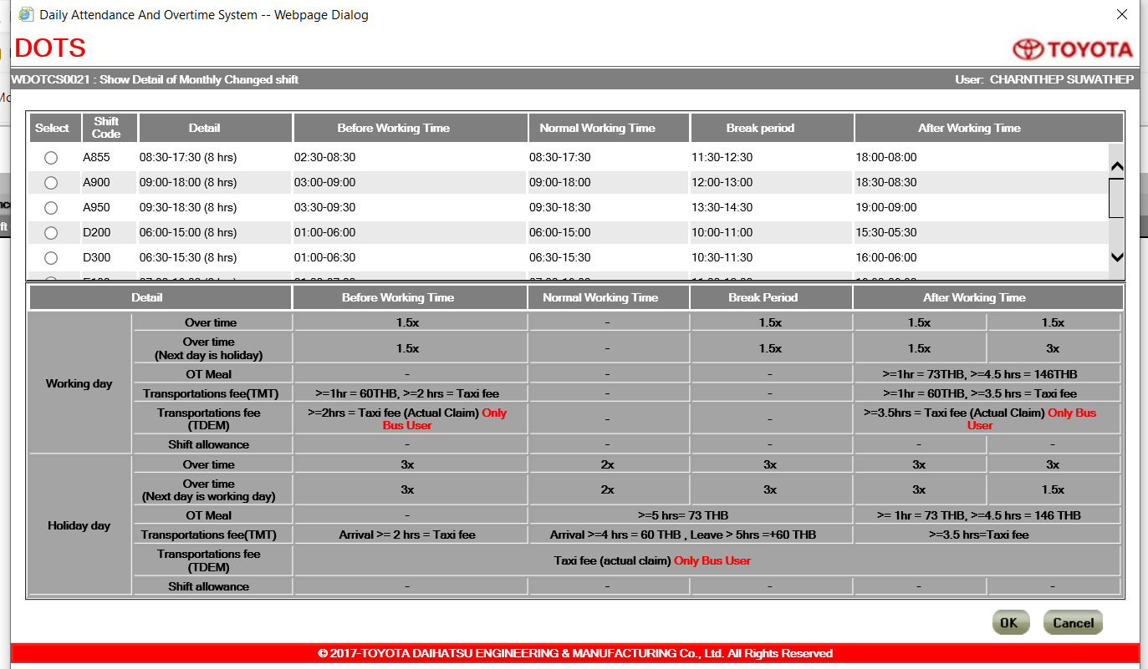

The company name is hard code. So we need to change the company name.

 | 6 | WDOTCS0051 : Show Detail of Daily Changed shift

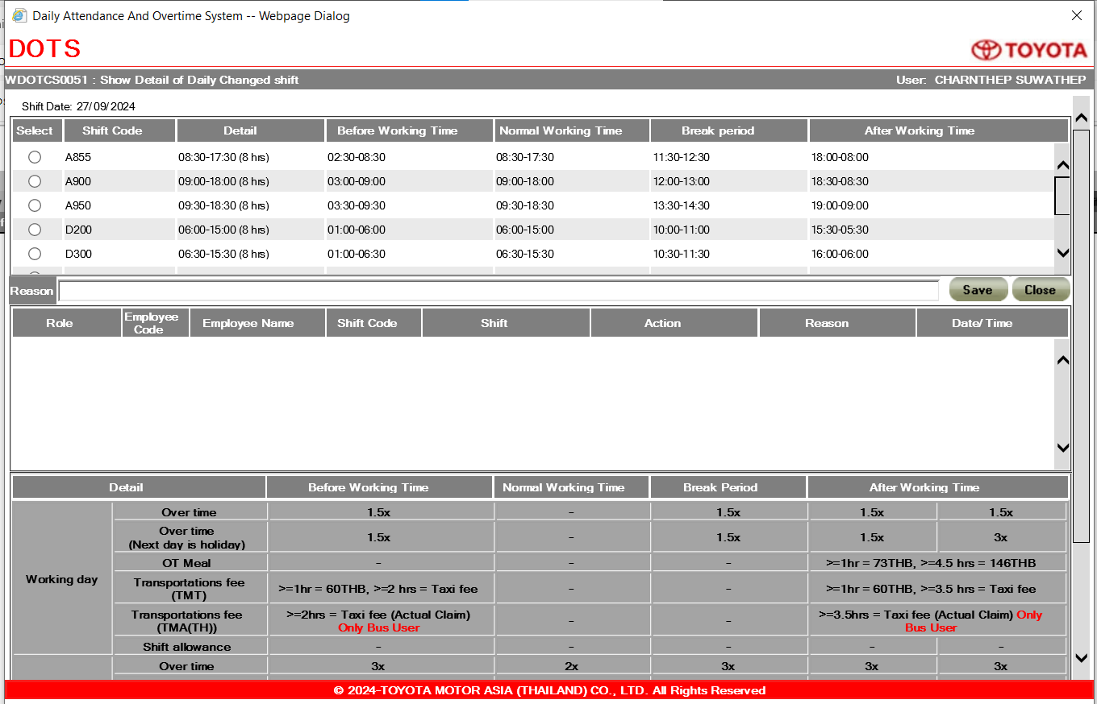

The company name is hard code. So we need to change the company name.

 | 7 | WDOTUM0010 - Enquiry Screen for Parameter Master

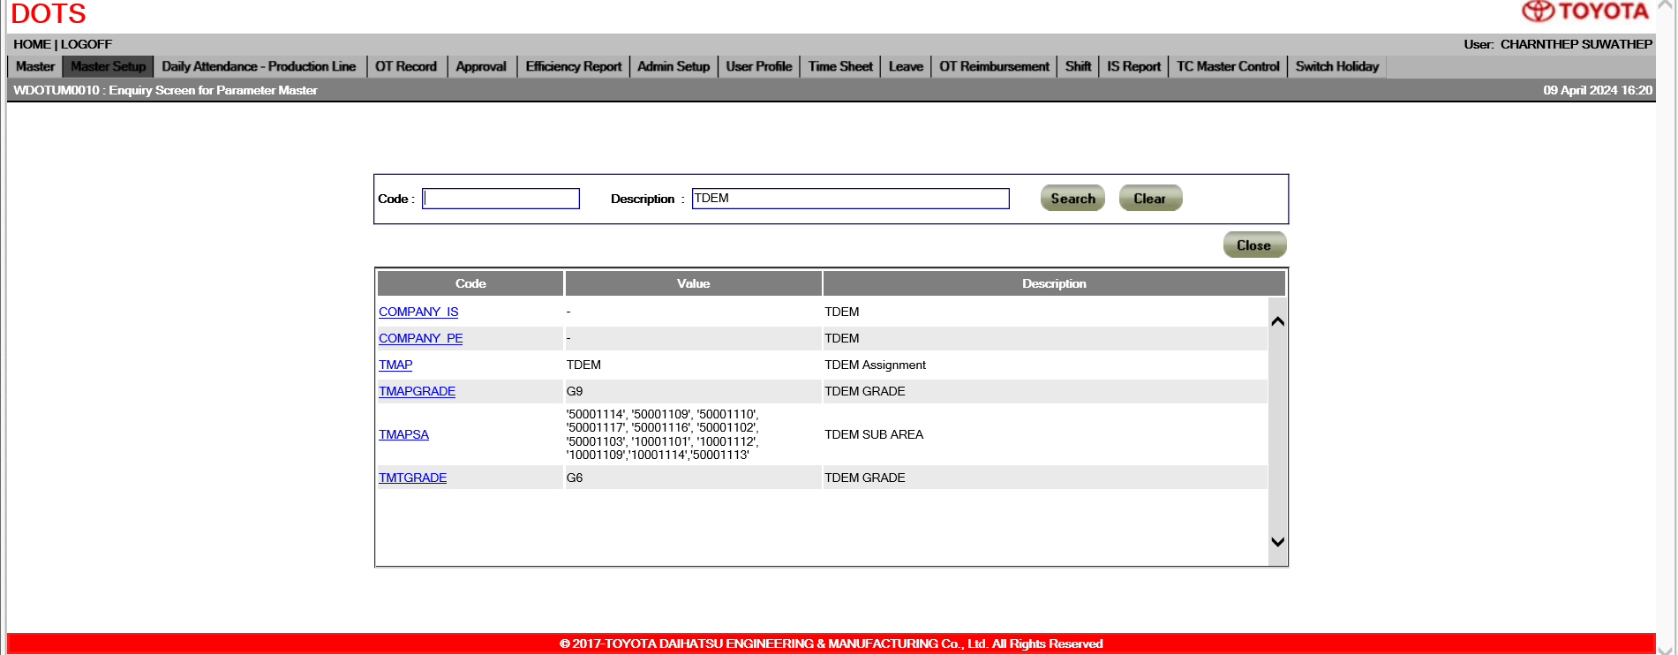

The company name is hard code in configuation table. So we can change the company name from the screen.

 | 8 | JDOTSM0200 : Batch Approve/Reject request by email

 |  |  | TBC ?

The company email is hard code in configuation table. So we need to change the company email in database directly.

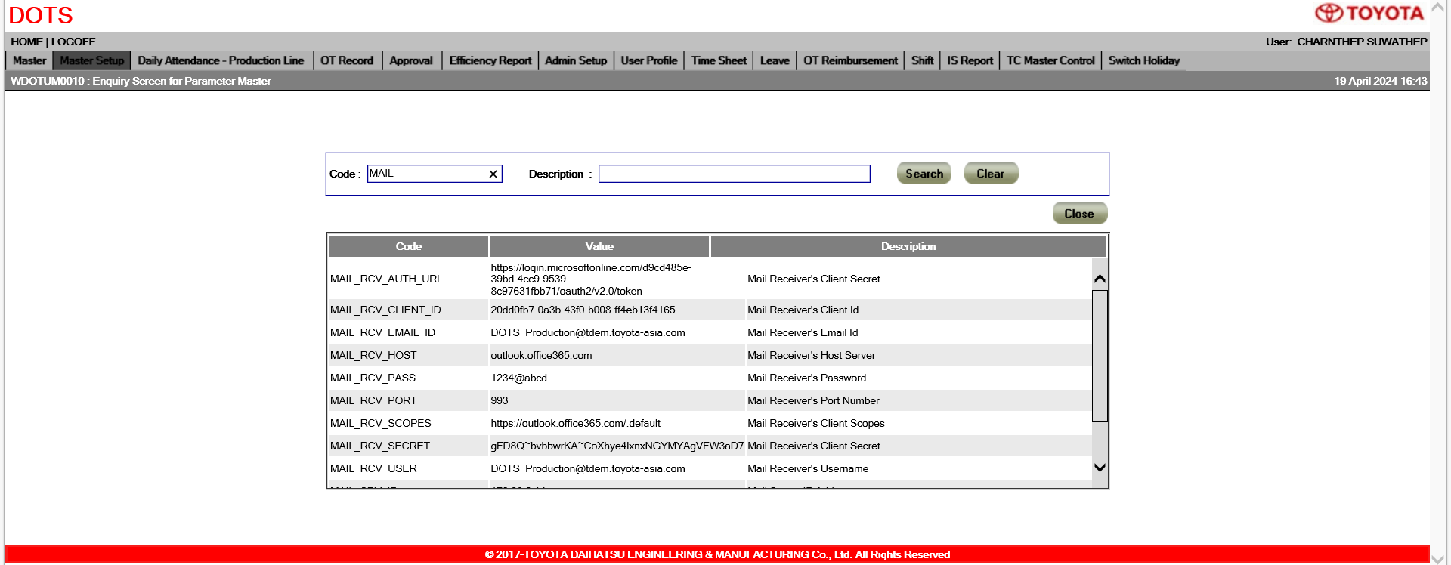

 | 9 | Privacy Policy screen.

The company url is hard code in configuation table. So we need to change the company url in database directly.

 |  |  |  | TBC ?

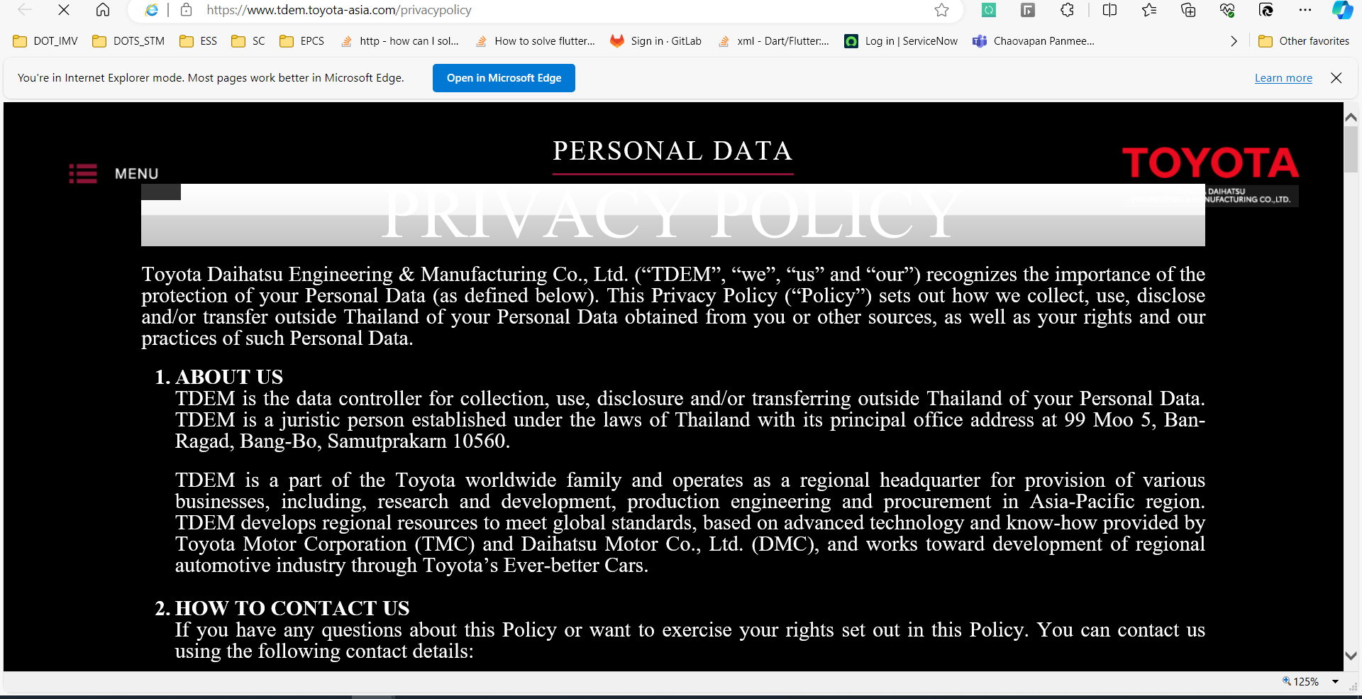

 | 10 | WDOTUM0190 : Enquiry Screen for Code Master

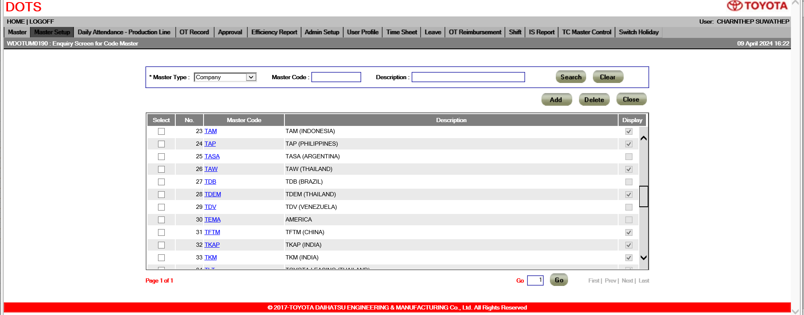

The company name is hard code in configuation table. So we can change the company name from the screen.

 | 11 | WDOTUM0120 : Mail Maintenance

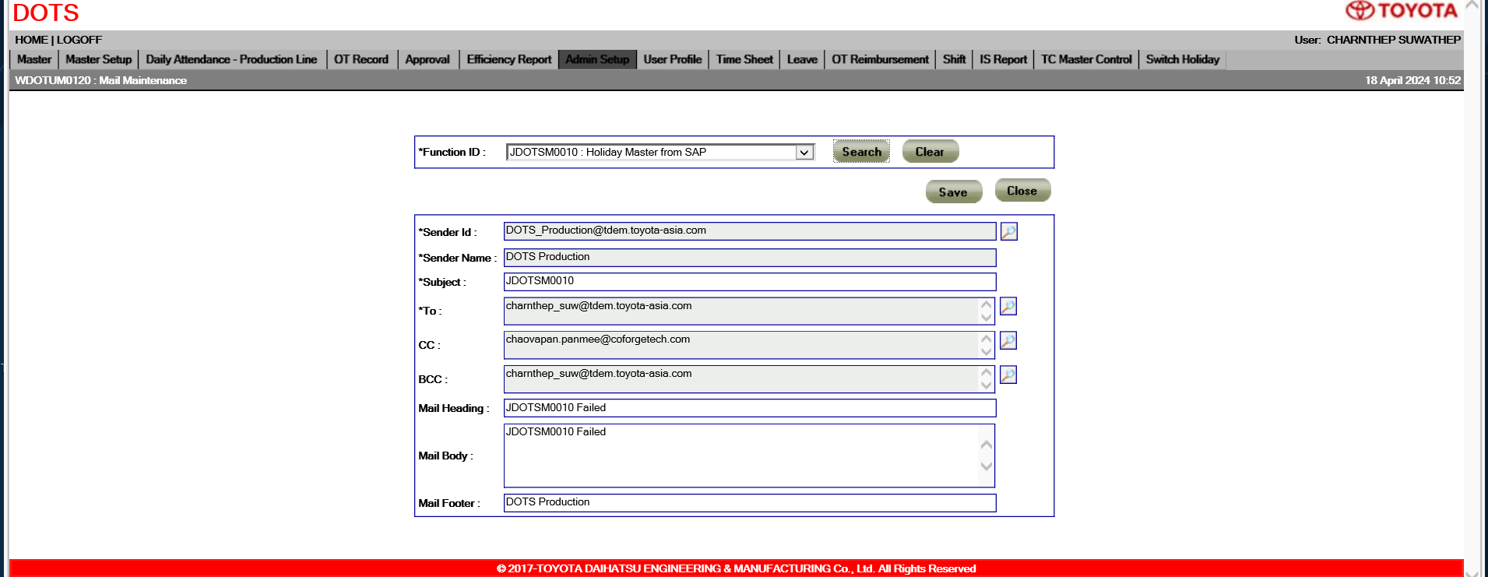

The company name is hard code in configuation table. So we can change the company name from the screen.

